Double Walled
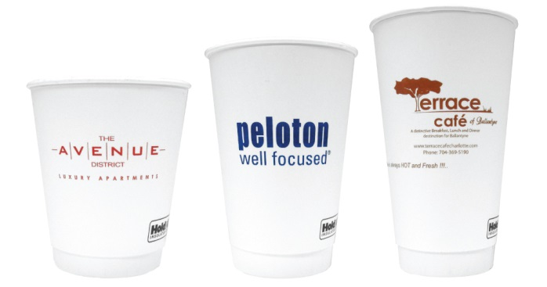
Double Walled Paper
U.S. Pricing

Item No. | Description | 120+ | 300+ | 600+ | 1,200+ | 3,000+ | 5,400+

12PD | 12oz Double Walled Paper Cup | $0.82 | $0.67 | $0.63 | $0.41 | $0.39 | Call
16PD | 16oz Double Walled Paper Cup | $0.93 | $0.76 | $0.71 | $0.46 | $0.44 | Call
20PD | 20oz Double Walled Paper Cup | $0.98 | $0.80 | $0.75 | $0.49 | $0.45 | Call

 | Price per cup, includes one color imprint.
 | Second side printing available at no extra charge.
 | Art proof will be supplied at no charge.
 | All sizes come in white only.
 | Minimum order quantity of 120 cups.

Item No. | Description | Per 100 | Per Case | Case Qty

PD-Dome | White dome lid for 12/16/20oz double walled paper cups | $7.00 | $73.00 | 1,200
PD-Dome Blk | Black dome lid for 12/16/20oz double walled paper cups | $7.00 | $73.00 | 1,200

Frosted Plastic
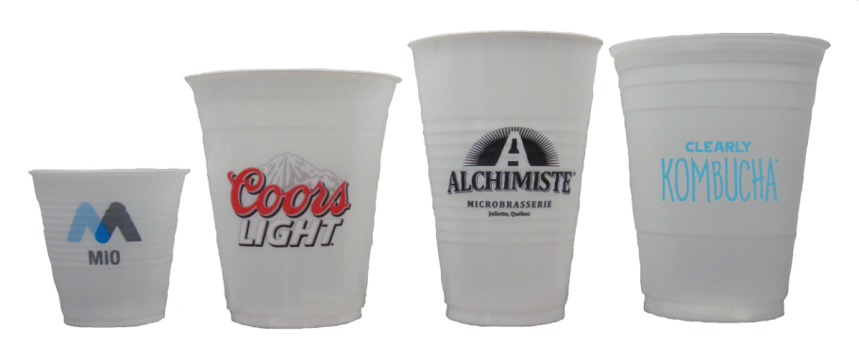
Frosted Plastic Cups
U.S. Pricing

Item No. | Description

5PL-F | 5oz Translucent Plastic Cup (Ribbed) | Available at quantities of 10,000 or more. Call for pricing or request a quote today!
12PL-F | 12oz Translucent Plastic Cup (Smooth)
14PL-F | 14oz Translucent Plastic Cup (Ribbed)
16PL-F | 16oz Translucent Plastic Cup (Smooth)

